BILL
 | HERITAGE CLUB
 | BANK INFORMATION A/C TITLE : PARKLANE HOTELS & RESORTS PVT LTD HERITAGE CLUB BANK : UBL A/C NO : 0339-310426415
EVENTS | HCFM-0502 |  |  | MR. JABIR SHAHZAD
 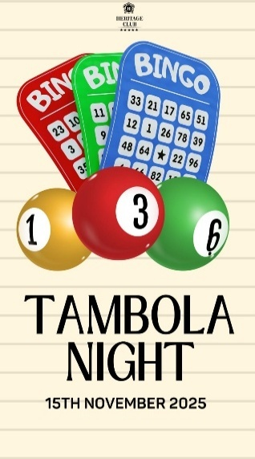  | SUMMARY
 | PAYABLE AMOUNT FOR THE MONTH OF OCTOBER |  |  | 23,742.50
 | LATE PAYMENT SURCHARGE |  |  | 2,374.25
 | TOTAL AMOUNT AFTER DUE DATE |  |  | 26,116.75
 | AREARS |  |  | -
 | ADVANCED PAID |  |  | -
 | REMAINING MANDATORY DINE IN CHARGE |  |  | -
 | TOTAL DUE |  |  | 23,742.50
 | DUE DATE |  |  | 15th NOVEMBER 2025
 | FIXED CHARGES
 | MONTHLY SUBSCRIPTION |  |  | 7,000 | COL-V
 | SPORTS SUBSCRIPTION |  |  | - | COL=Q
 | OTHERS (POOL LOCKER) |  |  | - | COL-L
 | SUB TOTAL |  |  | 7,000 | TOT:V+Q+L
 | USAGE CHARGES
 | FOOD & BEVERAGES |  |  | 12,950 | COL-T (SHEET F&B)
 | SPA |  |  | - | COL-M (SHEET FACILITIES)
 | GYM |  |  | 750
 | BOWLING ALLEY |  |  | -
 | CHILDERN PLAY AREA |  |  | 1,100
 | FAMILY POOL |  |  | -
 | LADIES POOL |  |  | -
 | SQUASH COURT |  |  | -
 | CINEMA |  |  | -
 | VANUE CHARGES |  |  | -
 | PADEL COURT |  |  | -
 | LADIES SALON |  |  | -
 | HC CHAMBER |  |  | -
 | PARTY CHARGES |  |  | -
 | SUB TOTAL |  |  | 14,800
 | SERVICES TAX (SST) |  |  | 1,943
 | TOTAL USAGE CHARGES INCLUDING SST |  |  | 16,743
 | BREAK DOWN OF MANDATORY CHARGES
 | MINIMUM CHARGE FOR THE CURRENT HALF YEAR (FYI) |  |  | 60,000
 | USAGE CHARGE FOR THE CURRENT HALF YEAR (FYI) |  |  | 61,790
 | REMAINING CHARGE FOR THE CURRENT HALF YEAR (FYI) |  |  | -
 | AMOUNT BEFORE DUE DATE |  |  | 23,742.50
 | AMOUNT AFTER DUE DATE |  |  | 26,116.75
 | BILL MONTH: OCTOBER 2025

Detail of food & BEVERAGES
For the month of OCTOBER 2025
TOTAL AMOUNT Rs. |  |  |  | 12,950
MEMBERSHIP ID | DATE | QTY. | FOOD ORDER | AMOUNT
HCFM-0502 | 24-Dec-25 | 1 | WAIKIKI SALAD | 800
 | 24-Dec-25 | 2 | ZINGER BURGER | 1,400
 | 24-Dec-25 | 1 | CLUB SANDWICH | 1,250
 | 24-Dec-25 | 1 | CHICKEN CHOWMEIN | 950
 | 24-Dec-25 | 1 | FINGER FISH N CHIPS | 1,250
 | 24-Dec-25 | 1 | CHICKEN HANDI | 1,000
 | 24-Dec-25 | 2 | MALAI BOTI | 2,300
 | 24-Dec-25 | 1 | SHISH TAOUK | 1,200
 | 24-Dec-25 | 1 | AKBARI BOTI TIKKA | 600
 | 24-Dec-25 | 10 | PURI PARATHA | 1,500
 | 24-Dec-25 | 2 | RAITA | 400
 | 24-Dec-25 | 2 | MINERAL WATER LARGE | 300

